MBMS FEMALE
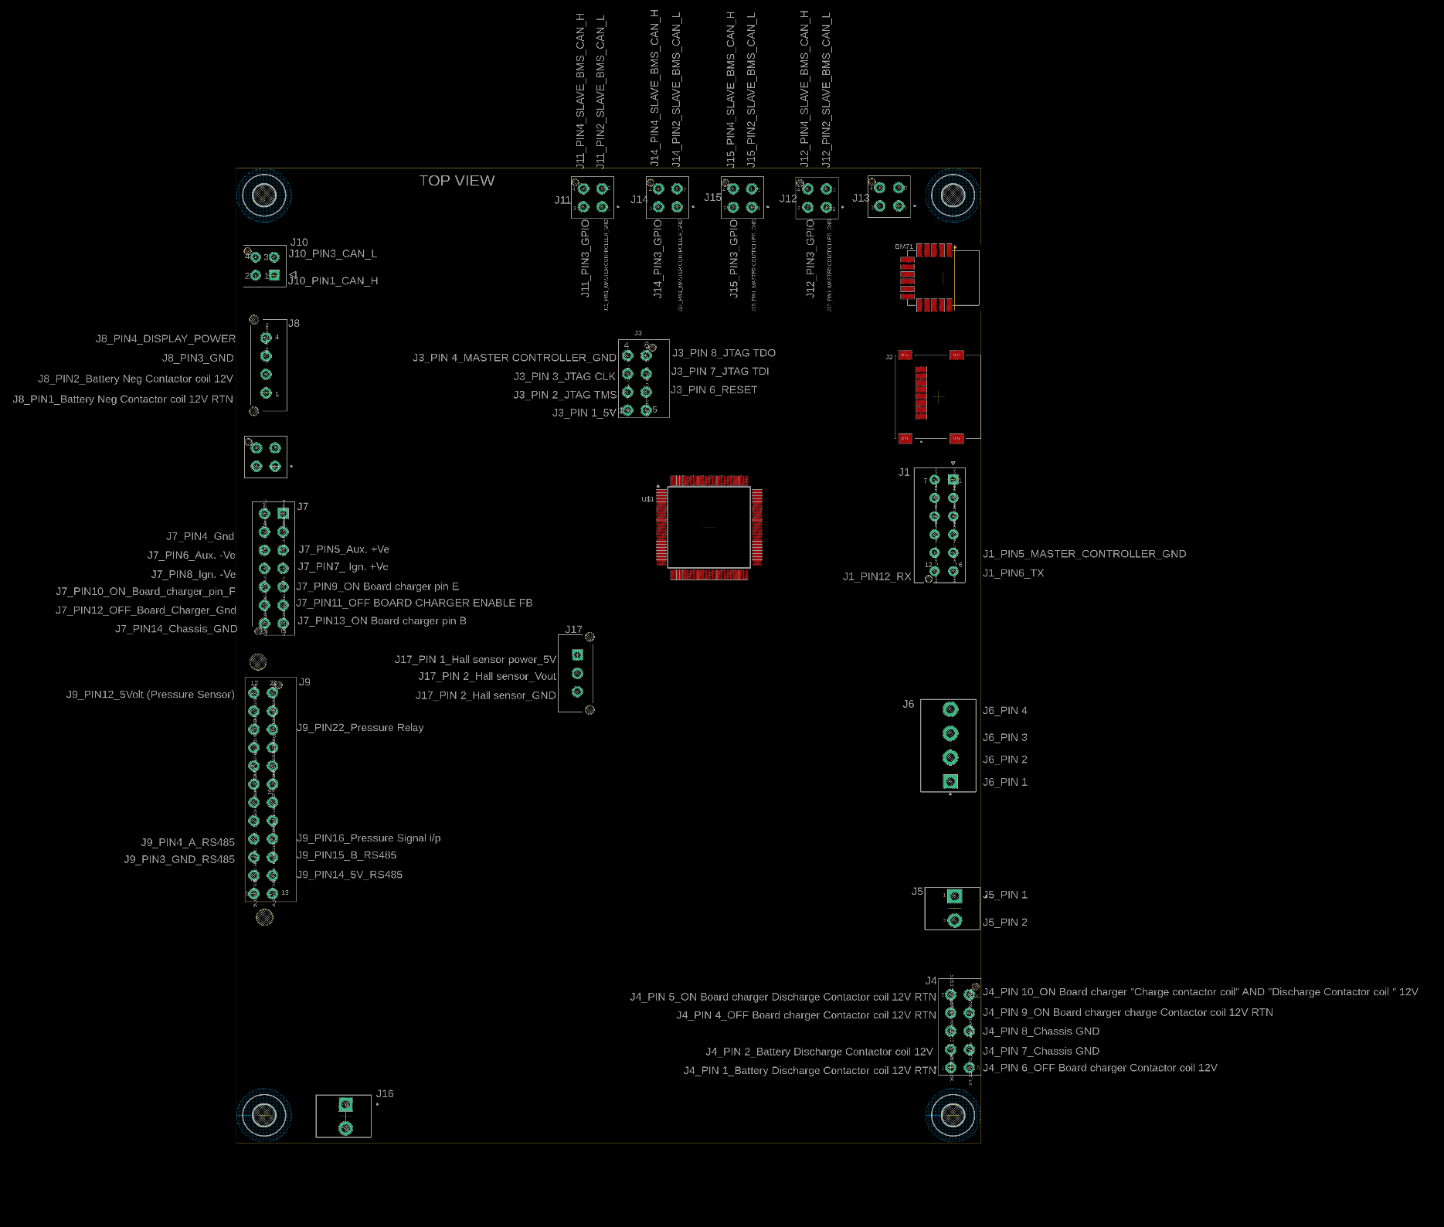
CONNECTION DETAILS BETWEEN PANEL MOUNT CONNECTOR TO MASTER BMS PCB CONNECTOR
PANEL CONNECTOR |  |  |  |  |  |  |  |  |  |  | Master BMS PCB connector
SL No. | Connector number | Description | Pin (Nos.) | Pin Details (Panel Mount) (internal use) | Pin Configuration | Inside Wire Length (mtr) | wire detailes | note | Wire Color | Qty. | Master BMS PCB connector number | Master BMS PCB connector Pin Number | Master BMS PCB connector Pin Details
1 | C01F | DATA / SERIAL COMMUNICATION | 3 | Pin 1 - Tx | Pin - 3 | 0.60 | 0.5mm2 single wires | with cap | red | 2 | J1 | PIN 6 | TX
 |  |  |  | Pin 2 - Rx | Pin - 5 | 0.60 |  |  | black |  | J1 | PIN 12 | RX
 |  |  |  | Pin 3 - Gnd | Pin - 8 | 0.60 |  |  | yellow +green |  | J1 | PIN 5 | MASTER CONTROLLER_GND
2 | C02F | Battery Pack _1 - CAN | 5 | Pin 1 - CAN_H | Pin - 1 | 0.60 | 0.5mm2 single wires | with out cap | Green | 2 | J11 | PIN 4 | Slave_BMS_CAN_H
 |  |  |  | Pin 2 - CAN_L | Pin - 3 | 0.60 |  |  | yellow+green |  | J11 | PIN 2 | Slave_BMS_CAN_L
 |  |  |  | Pin 3 - MC_Gnd | Pin - 4 | 0.60 |  |  | Brown |  | J11 | PIN 1 | MASTER CONTROLLER_GND
 |  |  |  | Pin 4 - GPIO | Pin - 5 | 0.60 |  |  | White |  | J11 | PIN 3 | GPIO
 |  |  |  | Pin 5 - Cable Shielded | Pin - 7 | 0.60 |  |  | black
3 | C02F | Battery Pack _2 - CAN | 5 | Pin 1 - CAN_H | Pin - 1 | 0.60 | 0.5mm2 single wires | with out cap | Green | 2 | J12 | PIN 4 | Slave_BMS_CAN_H
 |  |  |  | Pin 2 - CAN_L | Pin - 3 | 0.60 |  |  | yellow+green |  | J12 | PIN 2 | Slave_BMS_CAN_L
 |  |  |  | Pin 3 - MC_Gnd | Pin - 4 | 0.60 |  |  | Brown |  | J12 | PIN 1 | MASTER CONTROLLER_GND
 |  |  |  | Pin 4 - GPIO | Pin - 5 | 0.60 |  |  | White |  | J12 | PIN 3 | GPIO
 |  |  |  | Pin 5 - Cable Shielded | Pin - 7 | 0.60 |  |  | black
4 | C02F | Battery Pack _3 - CAN | 5 | Pin 1 - CAN_H | Pin - 1 | 0.60 | 0.5mm2 single wires | with out cap | Green | 2 | J14 | PIN 4 | Slave_BMS_CAN_H
 |  |  |  | Pin 2 - CAN_L | Pin - 3 | 0.60 |  |  | yellow+green |  | J14 | PIN 2 | Slave_BMS_CAN_L
 |  |  |  | Pin 3 - MC_Gnd | Pin - 4 | 0.60 |  |  | Brown |  | J14 | PIN 1 | MASTER CONTROLLER_GND
 |  |  |  | Pin 4 - GPIO | Pin - 5 | 0.60 |  |  | White |  | J14 | PIN 3 | GPIO
 |  |  |  | Pin 5 - Cable Shielded | Pin - 7 | 0.60 |  |  | black
5 | C02F | Battery Pack _4 - CAN | 5 | Pin 1 - CAN_H | Pin - 1 | 0.60 | 0.5mm2 single wires | with out cap | Green | 2 | J15 | PIN 4 | Slave_BMS_CAN_H
 |  |  |  | Pin 2 - CAN_L | Pin - 3 | 0.60 |  |  | yellow+green |  | J15 | PIN 2 | Slave_BMS_CAN_L
 |  |  |  | Pin 3 - MC_Gnd | Pin - 4 | 0.60 |  |  | Brown |  | J15 | PIN 1 | MASTER CONTROLLER_GND
 |  |  |  | Pin 4 - GPIO | Pin - 5 | 0.60 |  |  | White |  | J15 | PIN 3 | GPIO
 |  |  |  | Pin 5 - Cable Shielded | Pin - 7 | 0.60 |  |  | black
6 | C03F | Aux. & Ign. Key_Switches | 6 | Pin 1 - Aux. +Ve | Pin - 1 | 0.60 | 0.5mm2 single wires | with out cap | red | 2 | J7 | PIN 5 | Aux. +Ve
 |  |  |  | Pin 2 - Aux. -Ve | Pin - 2 | 0.60 |  |  | white |  | J7 | PIN 6 | Aux. -Ve
 |  |  |  | Pin 3 - Gnd | Pin - 3 | 0.60 |  |  | black |  | J7 | PIN 4 | Gnd
 |  |  |  | Pin 4 - Ign. +Ve | Pin - 5 | 0.60 |  |  | yellow+green |  | J7 | PIN 7 | Ign. +Ve
 |  |  |  | Pin 5 - Ign. -Ve | Pin - 6 | 0.60 |  |  | orange |  | J7 | PIN 8 | Ign. -Ve
 |  |  |  | Pin 6 - Gnd | Pin - 7 | 0.60 |  |  | green |  | J8 | PIN 3 | Gnd
7 | C04F | VCU_Debugging | 6 | Pin 1 - SWDIO | Pin - 1 | 0.60 | 0.5mm2 single wires | with cap | red | 2 | NC
 |  |  |  | Pin 2 - SCLK | Pin - 3 | 0.60 |  |  | white |  | NC
 |  |  |  | Pin 3 - Gnd | Pin - 4 | 0.60 |  |  | black |  | NC
 |  |  |  | Pin 4 - 3.3 Volt | Pin - 5 | 0.60 |  |  | yellow+green |  | NC
 |  |  |  | Pin 5 - Rx | Pin - 6 | 0.60 |  |  | orange |  | NC
 |  |  |  | Pin 6 - Tx | Pin - 7 | 0.60 |  |  | green |  | NC
8 | C05F | OFF_ Board Charger | 7 | Pin 1 - CAN_H | Pin - 1 | 0.60 | 0.5mm2 single wires | WITH OUT CAP | BLACK | 2 | J10 | PIN 1 | OFF_ Board Charger_CAN_H
 |  |  |  | Pin 2 - CAN_L | Pin - 2 | 0.60 |  |  | WHITE |  | J10 | PIN 3 | OFF_ Board Charger_CAN_L
 |  |  |  | Pin 3 - 12V(Charger o/p) | Pin - 3 | 0.60 |  |  | RED |  | J7 | PIN 11 | OFF BOARD CHARGER ENABLE FB
 |  |  |  | Pin 4 - Gnd (Charger Gnd) | Pin - 4 | 0.60 |  |  | GREEN |  | J7 | PIN 12 | OFF_Board_Charger_Gnd
 |  |  |  | Pin 5 - NC | Pin - 5 | 0.60 |  |  | ORANGE
 |  |  |  | Pin 6 - NC | Pin - 6 | 0.60 |  |  | BLUE
 |  |  |  | Pin 7 - NC | Pin - 7 | 0.60 |  |  | YELLOW+GREEN
9 | C06F | M_BMS Programming | 7 | Pin 1 - MC_Gnd | Pin - 2 | 0.60 | 0.5mm2 single wires | with cap | BLACK | 2 | J3 | PIN 4 | MASTER CONTROLLER_GND
 |  |  |  | Pin 2 - 5V | Pin - 3 | 0.60 |  |  | WHITE |  | J3 | PIN 1 | 5V
 |  |  |  | Pin 3 - J_TagTMS | Pin - 4 | 0.60 |  |  | RED |  | J3 | PIN 2 | JTAG TMS
 |  |  |  | Pin 4 - J_TagCLK | Pin - 5 | 0.60 |  |  | GREEN |  | J3 | PIN 3 | JTAG CLK
 |  |  |  | Pin 5 - J_TagTDO | Pin - 6 | 0.60 |  |  | ORANGE |  | J3 | PIN 8 | JTAG TDO
 |  |  |  | Pin 6 - J_TagTDI | Pin - 7 | 0.60 |  |  | BLUE |  | J3 | PIN 7 | JTAG TDI
 |  |  |  | Pin 7 - Reset | Pin - 8 | 0.60 |  |  | YELLOW+GREEN |  | J3 | PIN 6 | RESET
10 | C07F | ON_ Board Charger | 8 | Pin 1 - CAN_H | Pin - 1 | 0.60 | 0.5mm2 single wires | with out cap | BLACK | 2 | J10 | PIN 1 | ON_Board Charger_CAN_H
 |  |  |  | Pin 2 - CAN _L | Pin - 2 | 0.60 |  |  | WHITE |  | J10 | PIN 3 | ON_Board Charger_CAN_L
 |  |  |  | Pin 3 - 12 Volt B+ | Pin - 3 | 0.60 |  |  | RED |  | J7 | PIN 13 | ON Board charger pin B
 |  |  |  | Pin 4 - 12 Volt PIN E | Pin - 4 | 0.60 |  |  | GREEN |  | J7 | PIN 9 | ON Board charger pin E
 |  |  |  | Pin 5 - CAN Enable F | Pin - 5 | 0.60 |  |  | ORANGE |  | J7 | PIN 10 | ON Board charger pin F
 |  |  |  | Pin 6 - NC | Pin - 6 | 0.60 |  |  | BLUE
 |  |  |  | Pin 7 - NC | Pin - 7 | 0.60 |  |  | WHITE+BLACK
 |  |  |  | Pin 8 - NC | Pin - 8 | 0.60 |  |  | YELLOW+GREEN
11 | C08F | Display Board | 7 | Pin 1 - CAN_H | Pin - 1 | 0.60 | 0.5mm2 single wires | with out cap | BLACK | 2 | J10 | PIN 1 | Display_CAN_H
 |  |  |  | Pin 2 - CAN _L | Pin - 3 | 0.60 |  |  | WHITE |  | J10 | PIN 3 | Display_CAN_L
 |  |  |  | Pin 3 - 5Volt | Pin - 4 | 0.60 |  |  | RED |  | J9 | PIN 14 | 5V_RS485
 |  |  |  | Pin 4 - Gnd | Pin - 5 | 0.60 |  |  | GREEN |  | J9 | PIN 3 | GND_RS485
 |  |  |  | Pin 5 - RS485A | Pin - 6 | 0.60 |  |  | ORANGE |  | J9 | PIN 4 | A_RS485
 |  |  |  | Pin 6 - RS485B | Pin - 7 | 0.60 |  |  | BLUE |  | J9 | PIN 15 | B_RS485
 |  |  |  | Pin 7 - NC/12V | Pin - 8 | 0.60 |  |  | YELLOW+GREEN |  | J8 | PIN 4 | Display Power
12 | C09F | VCU to External | 7 | Pin 1 - 14Volt (i/p VCU) | Pin - 1 | 0.60 | 0.5mm2 single wires | with out cap | BLACK | 2 | NC
 |  |  |  | Pin 2 - Gnd | Pin - 2 | 0.60 |  |  | WHITE |  | NC
 |  |  |  | Pin 3 - Kelly Out (12Volt) | Pin - 4 | 0.60 |  |  | RED |  | NC
 |  |  |  | Pin 4 - 5Volt (Pressure Sensor) | Pin - 5 | 0.60 |  |  | GREEN |  | J9 | PIN 12 | 5Volt (Pressure Sensor)
 |  |  |  | Pin 5 - Pressure Relay | Pin - 6 | 0.60 |  |  | ORANGE |  | J9 | PIN 22 | Pressure Relay
 |  |  |  | Pin 6 - Emergency Stop | Pin - 7 | 0.60 |  |  | BLUE |  | NC
 |  |  |  | Pin 7 - Pressure Signal i/p | Pin - 8 | 0.60 |  |  | YELLOW+GREEN |  | J9 | PIN 16 | Pressure Signal i/p
13 | C10F | VCU to External | 7 | Pin 1 - VCU_CAN_H | Pin - 1 | 0.60 | 0.5mm2 single wires | with out cap | BLACK | 2 | NC
 |  |  |  | Pin 2 - VCU_CAN_L | Pin - 2 | 0.60 |  |  | WHITE |  | NC
 |  |  |  | Pin 3 - Gnd | Pin - 3 | 0.60 |  |  | RED |  | NC
 |  |  |  | Pin 4 - Throttle Signal i/p (from Pedal) | Pin - 4 | 0.60 |  |  | GREEN |  | NC
 |  |  |  | Pin 5 - Throttle o/p (To Kelly Controller) | Pin - 6 | 0.60 |  |  | ORANGE |  | NC
 |  |  |  | Pin 6 - NC | Pin - 7 | 0.60 |  |  | BLUE |  | NC
 |  |  |  | Pin 7 - Speed Out | Pin - 8 | 0.60 |  |  | YELLOW+GREEN |  | NC
14 | C11F | Troubleshooting | 7 | Pin 1 | Pin - 1 | 0.60 | 0.5mm2 single wires | with cap | BLACK | 2 | NC
 |  |  |  | Pin 2 | Pin - 2 | 0.60 |  |  | WHITE |  | NC
 |  |  |  | Pin 3 | Pin - 3 | 0.60 |  |  | RED |  | NC
 |  |  |  | Pin 4 | Pin - 4 | 0.60 |  |  | GREEN |  | NC
 |  |  |  | Pin 5 | Pin - 5 | 0.60 |  |  | ORANGE |  | NC
 |  |  |  | Pin 6 | Pin - 7 | 0.60 |  |  | BLUE |  | NC
 |  |  |  | Pin 7 | Pin - 8 | 0.60 |  |  | YELLOW+GREEN |  | NC
15 | C12F | Troubleshooting | 7 | Pin 1 | Pin - 1 | 0.60 | 0.5mm2 single wires | with cap | BLACK | 2 | NC
 |  |  |  | Pin 2 | Pin - 2 | 0.60 |  |  | WHITE |  | NC
 |  |  |  | Pin 3 | Pin - 3 | 0.60 |  |  | RED |  | NC
 |  |  |  | Pin 4 | Pin - 4 | 0.60 |  |  | GREEN |  | NC
 |  |  |  | Pin 5 | Pin - 5 | 0.60 |  |  | ORANGE |  | NC
 |  |  |  | Pin 6 | Pin - 6 | 0.60 |  |  | BLUE |  | NC
 |  |  |  | Pin 7 | Pin - 8 | 0.60 |  |  | YELLOW+GREEN |  | NC

OTHER MASTER BMS PCB CONNECTION DETAILS

SL NO | Master BMS PCB connector number | Master BMS PCB connector Pin Number | Master BMS PCB connector Pin Details | Connection
1 | J8 | PIN 1 | Battery Neg Contactor coil 12V RTN
 |  | PIN 2 | Battery Neg Contactor coil 12V
2 | J4 | PIN 1 | Battery Discharge Contactor coil 12V RTN
 |  | PIN 2 | Battery Discharge Contactor coil 12V
 |  | PIN 4 | OFF Board charger Contactor coil 12V RTN
 |  | PIN 5 | ON Board charger Discharge Contactor coil 12V RTN
 |  | PIN 6 | OFF Board charger Contactor coil 12V
 |  | PIN 7 | Chassis GND
 |  | PIN 8 | Chassis GND
 |  | PIN 9 | ON Board charger charge Contactor coil 12V RTN
 |  | PIN 10 | ON Board charger "Charge contactor coil" AND "Discharge Contactor coil " 12V
3 | J5 | PIN 1 | 12V GND | Originating from 96V to 12V power card connector J2_PIN 2
 |  | PIN 2 | 12V IN | Originating from Master BMS enable switch mounted on the Dash board_SW1_PIN_01
4 | J6 | PIN 1 | Precharge feed back | Originating from Busbar 8
 |  | PIN 2 | Battery Gnd | Originating from Busbar 11
 |  | PIN 3 | Battery Gnd | Originating from Busbar 11
 |  | PIN 4 | Battery Voltage Feed back | Originating from Busbar 1
5 | J7 | PIN 14 | Chassis GND | Connect to Chassis
6 | J17 | PIN 1 | Hall sensor Power 5V | Connect to Hall sensor Pin C
 |  | PIN 2 | Hall sensor Vout | Connect to Hall sensor Pin A
 |  | PIN 3 | Hall sensor GND | Connect to Hall sensor Pin B

96V_12V power card
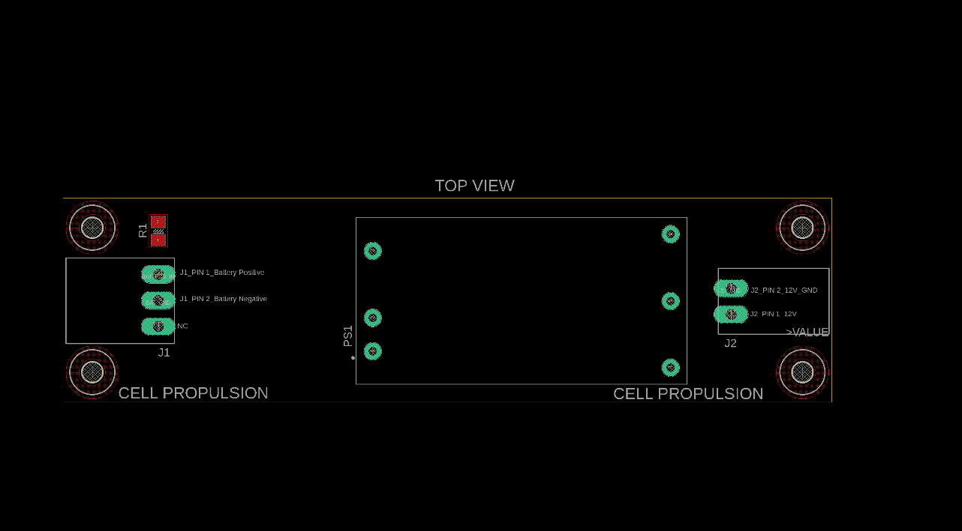
96V to 12V power card connection details

SL NO | Connector Name | Connector Pin details | Connector Pin Details | Comment
1 | J1 | PIN 1 | Battery Positive | Connect to Bus bar1
 |  | PIN 2 | Battery Negative | Connect to Bus bar11
 |  | PIN 3 | NC | NC
2 | J2 | PIN 1 | 12V | Connect to Master BMS enable switch on the dash board_SW01_PIN 02
 |  | PIN 2 | 12V_GND | Connect to Master BMS PCB connector J5 Pin 1

Master BMS Casing
